Positive (result)
Page | Detail | Test result
Login_01 | Verify that the user can log in successfully | 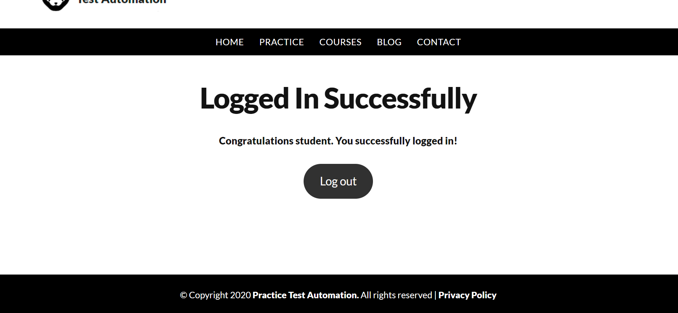

Logout_04 | Verify that the user can log out successfully | 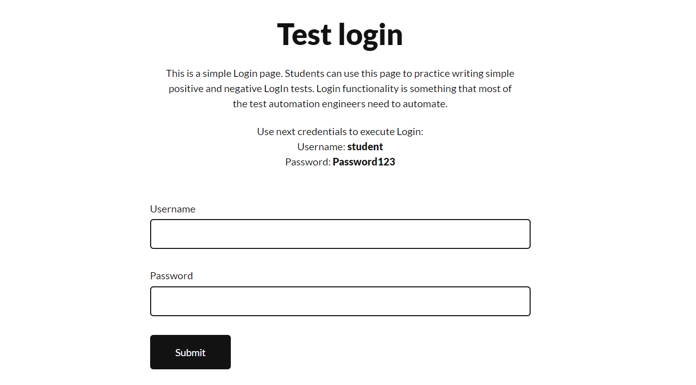

Alternative (result)
Page | Detail | Test result
Login_02 | Verify system response when incorrect Username is entered | 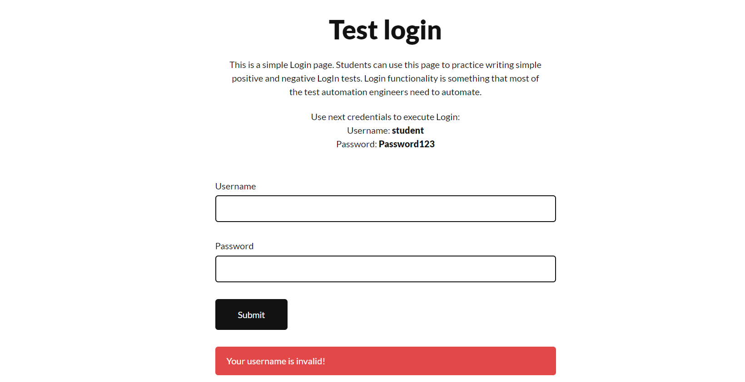

Login_03 | Verify system response when incorrect Password is entered | 